Sheet1
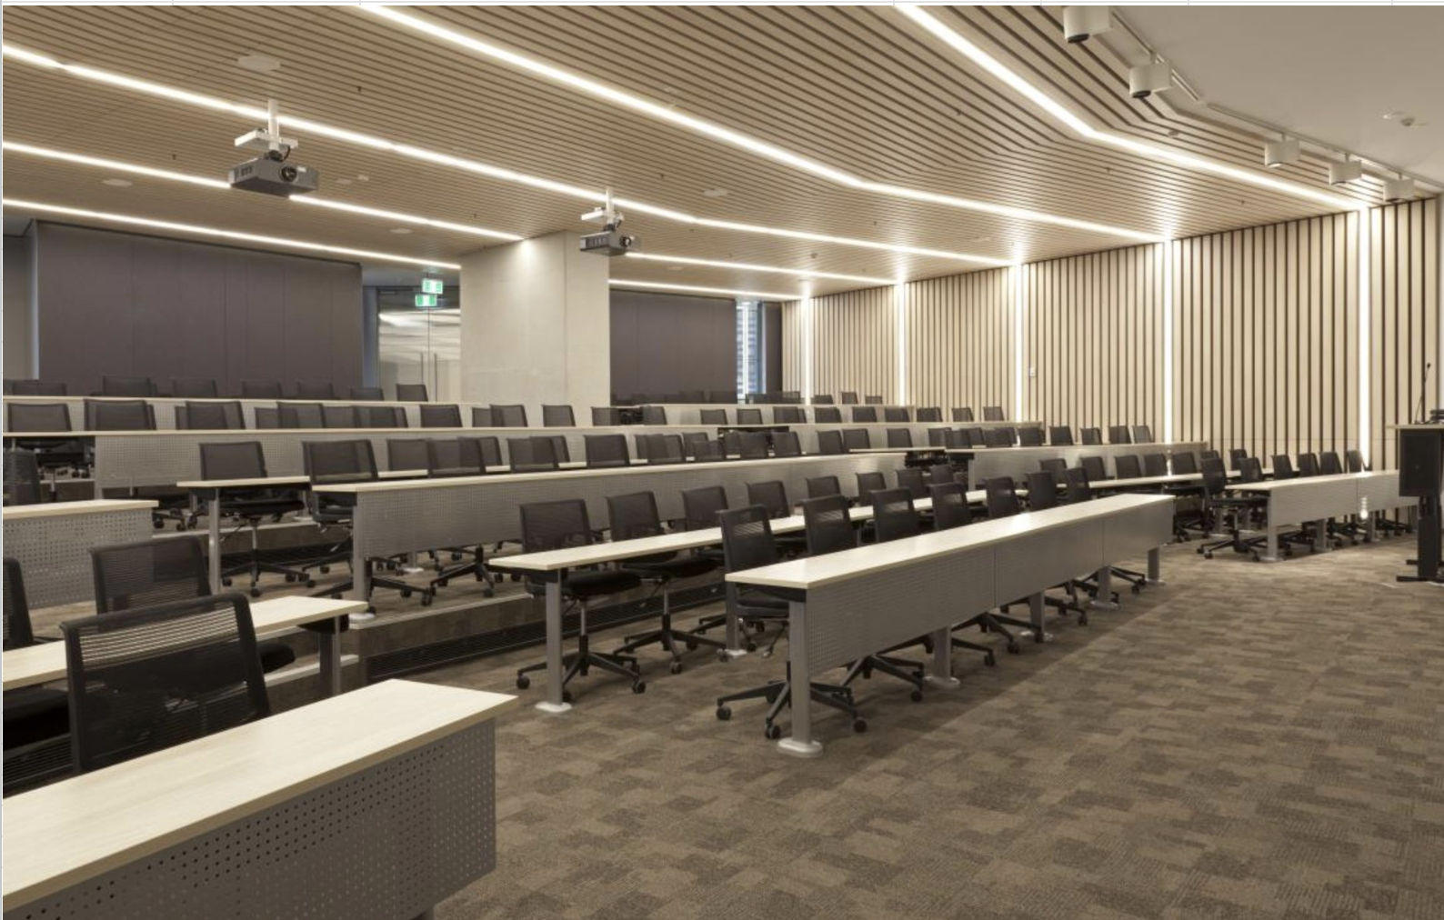
 | The venue column is read as as an example: CB11.B1.101 (Building 11, Level B1, Room 101). There will be voulnteers as well as posters on the day helping with the directions
 | We will continue updating venues for the poster rooms as we get concrete numbers for posters. Poster boards will be available to mount A0 portrait posters.
 | For amenaties and image of the allocated venue, please access through the following link. It is a pdf and you can search for your room number. While this is a comprehensive list, we can't change or requesting new venues. This is just for your further planning
 | UTS-bookable-classrooms.pdf
 | UTS map: | University of Technology Sydney

Date | Session | Workshop title | Posters (Estimated) | Venue | Room capacity | Room type | Poster Session Location | Website
2026-07-13 | Half-day Morning | From Perception to Action: Representation-Centric Robot Autonomy | 20 | CB11.00.405 | 226 | Collaborative Lecture Theatre | The poster session will be outside of the room, in a vacant space available. | https://rcba-workshop.github.io/rss2026/
2026-07-13 | Half-day Morning | Post-training for Robotics Foundation Models | 0 | CB11.00.401 | 194 | Medium Lecture Theatre | The poster session will be outside of the room, in a vacant space available. | https://posttraining-for-robotics.github.io/
2026-07-13 | Half-day Morning | 4th Workshop on Dexterous Manipulation: Scalable Learning for Human-Level Skills | 20 | CB02.07.150 | 198 | Large Collaborative Classroom | The poster session will be outside of the room, in a vacant space available. | https://dex-manipulation.github.io/rss2026/
2026-07-13 | Half-day Morning | Whole-body Control and Bimanual Manipulation: Applications in Humanoids and Beyond | 22 | CB07.02.025 | 185 | Lecture Theatre | There are two rooms booked: CB07.02.020 and CB07.02.015 near the venue. | https://wcbm-workshop.github.io/rss2026/
2026-07-13 | Half-day Morning | Towards Robust Execution of Long-Horizon Whole-Body Control Tasks | 20 | CB11.B2.103 | 100 | Collaborative Classroom | CB11.B2.104 room is allocated for the posters. | https://opendrivelab.com/rss2026/workshop
2026-07-13 | Half-day Morning | Rethinking What It Means to be "Safe" for Generalist Robots | 15 | CB11.B3.102 | 100 | Collaborative classroom | CB11.B3.101 room is allocated for the posters. | https://sites.google.com/andrew.cmu.edu/rethinking-safety-rss-2026/
2026-07-13 | Half-day Morning | Beyond the Lab: Rethinking Methods for Human Behavior Monitoring and Modeling in In-the-Wild Human-Robot Interaction | 10 | CB11.B3.103 | 100 | Collaborative Classroom | CB11.B3.104 room is allocated for the posters. | https://sites.google.com/view/rss26-beyond-the-lab-hri/home
2026-07-13 | Half-day Morning | Bridging AI and Robotics: Towards Safer and Smarter Surgery | 11 | CB11.B2.102 | 100 | Collaborative Classroom | CB11.B2.101 room is allocated for the posters. | https://sites.google.com/view/ai-and-healthcare-robotics
2026-07-13 | Half-day Morning | Beyond rigidity - Deformable and Articulated Robotic Object Manipulation | 15 | CB11.B1.101 | 97 | Collaborative Classroom | Either in the room or outside in an available vacant space. | https://rss2026-beyond-rigidity.github.io/
2026-07-13 | Half-day Morning | Workshop on Neuromorphic Robotic Systems (NeuRoSys) | 7 | CB11.00.100 | 97 | Collaborative Classroom | The poster session will be outside of the room, in a vacant space available. | https://sites.google.com/view/neurosys2026
2026-07-13 | Half-day Morning | It's the demos: A Deep Look at the Role of Demonstration Quality in Imitation-Based Robot Manipulation | 10 | CB11.03.301 | 91 | Cluster Classroom | The poster session will be outside of the room, in a vacant space available. | https://its-the-demos.github.io/

2026-07-17 | Half-day Afternoon | Reinforcement Learning for Vision-Language-Action Models (RL4VLA) | 12 | CB11.00.405 | 226 | Collaborative Lecture Theatre | The poster session will be outside of the room, in a vacant space available. | https://sites.google.com/view/rl4vla-workshop/home
2026-07-17 | Half-day Afternoon | Diffusion for Robot Learning | 40 | CB07.02.025 | 185 | Lecture Theatre | There are two rooms booked: CB07.02.020 and CB07.02.015 near the venue. | https://rss2026-diffusion-robot-learning.github.io/
2026-07-17 | Half-day Afternoon | Failure Is Not the End: Towards Open-World Failure Recovery for Robots | 10 | CB11.00.401 | 194 | Medium Lecture Theatre | The poster session will be outside of the room, in a vacant space available. | https://csiro-robotics.github.io/failure-recovery/
2026-07-17 | Half-day Afternoon | Tactile Sensing for Robotic Foundation Models | 20 | CB11.B2.102 | 100 | Collaborative Classroom | CB11.B2.101 room is allocated for the posters. | https://tac-for-fm.github.io/rss2026/
2026-07-17 | Half-day Afternoon | Planning and Control with Imperfect Sensors and Perception | 14 | CB11.B2.103 | 100 | Collaborative Classroom | CB11.B2.104 room is allocated for the posters. | https://ariasystems.group/workshops/planning-perception.html
2026-07-17 | Half-day Afternoon | The Geometry of Motion: Physics-Informed Structures for Learning and Control | 12 | CB11.B3.103 | 100 | Collaborative Classroom | CB11.B3.104 room is allocated for the posters. | https://sites.google.com/view/rss26-geometry/home
2026-07-17 | Half-day Afternoon | Lab-to-Production Workshop: Toward Industrial-Grade Perception and Manipulation | 10 | CB11.B3.102 | 100 | Collaborative classroom | CB11.B3.101 room is allocated for the posters. | https://robotics-workshop.github.io/l2p-rss26/
2026-07-17 | Half-day Afternoon | Sampling-Based Optimization for Robotics | 10 | CB11.B1.101 | 97 | Collaborative Classroom | Either in the room or outside in an available vacant space. | https://sites.google.com/view/sampling-workshop
2026-07-17 | Half-day Afternoon | Human-centric Mobile Manipulation Workshop | 10 | CB11.04.400 | 60 | Collaborative Classroom | The poster session will be in the room. | https://adacompnus.github.io/human-centric-mobile-manipulation/
2026-07-17 | Half-day Afternoon | From Imitation to Certification: Learning, Reasoning, and Formal Methods for Safe Robot Manipulation | 10 | CB11.03.301 | 91 | Cluster Classroom | The poster session will be outside of the room, in a vacant space available. | https://sites.google.com/nyu.edu/imitation2certification-wsrss2/home

2026-07-17 | Half-day Morning | Robot World Models | 30 | CB11.00.405 | 226 | Collaborative Lecture Theatre | The poster session will be outside of the room, in a vacant space available. | http://robot-worldmodels.github.io/
2026-07-17 | Half-day Morning | Data-Centric Robotics: What Data Do Robots Really Need? | 34 | CB02.07.150 | 198 | Large Collaborative Classroom | The poster session will be outside of the room, in a vacant space available. | https://rss-workshop-2026.github.io/
2026-07-17 | Half-day Morning | Closing the Sim2Real Gap: Progress and Challenges | 15 | CB11.00.401 | 194 | Medium Lecture Theatre | The poster session will be outside of the room, in a vacant space available. | https://sites.google.com/view/rss2026sim2realws/home
2026-07-17 | Half-day Morning | Open-World Navigation in the Foundation Model Era: Robustness and Failure Recovery | 12 | CB07.02.025 | 185 | Lecture Theatre | There are two rooms booked: CB07.02.020 and CB07.02.015 near the venue. | https://adacompnus.github.io/open-world-navigation-26/
2026-07-17 | Half-day Morning | Reason, Plan, Act: A Hands-On Tutorial on Embodied Agentic AI | 0 | CB11.B3.103 | 100 | Collaborative Classroom | CB11.B3.104 room is allocated for the posters. | https://sites.google.com/monash.edu/reasonplanactahands-ontutorial
2026-07-17 | Half-day Morning | Embodied Intelligence Meets Foundation Models: Tactile Sensing and Soft Manipulation | 4 | CB11.B2.102 | 100 | Collaborative Classroom | CB11.B2.101 room is allocated for the posters. | https://sites.google.com/openmind.org/intelligence-in-manipulation/home
2026-07-17 | Half-day Morning | Robot Planning in the Era of Foundation Models (FM4RoboPlan) | 25 | CB11.B2.103 | 100 | Collaborative Classroom | CB11.B2.104 room is allocated for the posters. | https://sites.google.com/alumni.brown.edu/fm4roboplan26/
2026-07-17 | Half-day Morning | 3rd Workshop on Semantic Reasoning and Goal Understanding in Robotics (RSS SemRob 2026) | 36 | CB11.B3.102 | 100 | Collaborative classroom | CB11.B3.101 room is allocated for the posters. | https://semrob.github.io/
2026-07-17 | Half-day Morning | Trustworthy Embodied Foundation Models: Safety by Design versus Safety by Practice | 15 | CB11.00.100 | 97 | Collaborative Classroom | The poster session will be outside of the room, in a vacant space available. | https://robot-fm-safety.github.io/
2026-07-17 | Half-day Morning | Mapping the Reef: Underwater 3D Reconstruction for Coral Ecosystems | 15 | CB11.B1.101 | 97 | Collaborative Classroom | Either in the room or outside in an available vacant space. | https://alejandrofontan.github.io/Mapping-the-Reef-RSS26/
2026-07-17 | Half-day Morning | Embodied4Arts: Robots as Creative Partners for Artistic, Expressive, and Craft Tasks | 15 | CB11.03.301 | 91 | Cluster Classroom | The poster session will be outside of the room, in a vacant space available. | https://embodied4arts.github.io/

Sample of a lecture theatre

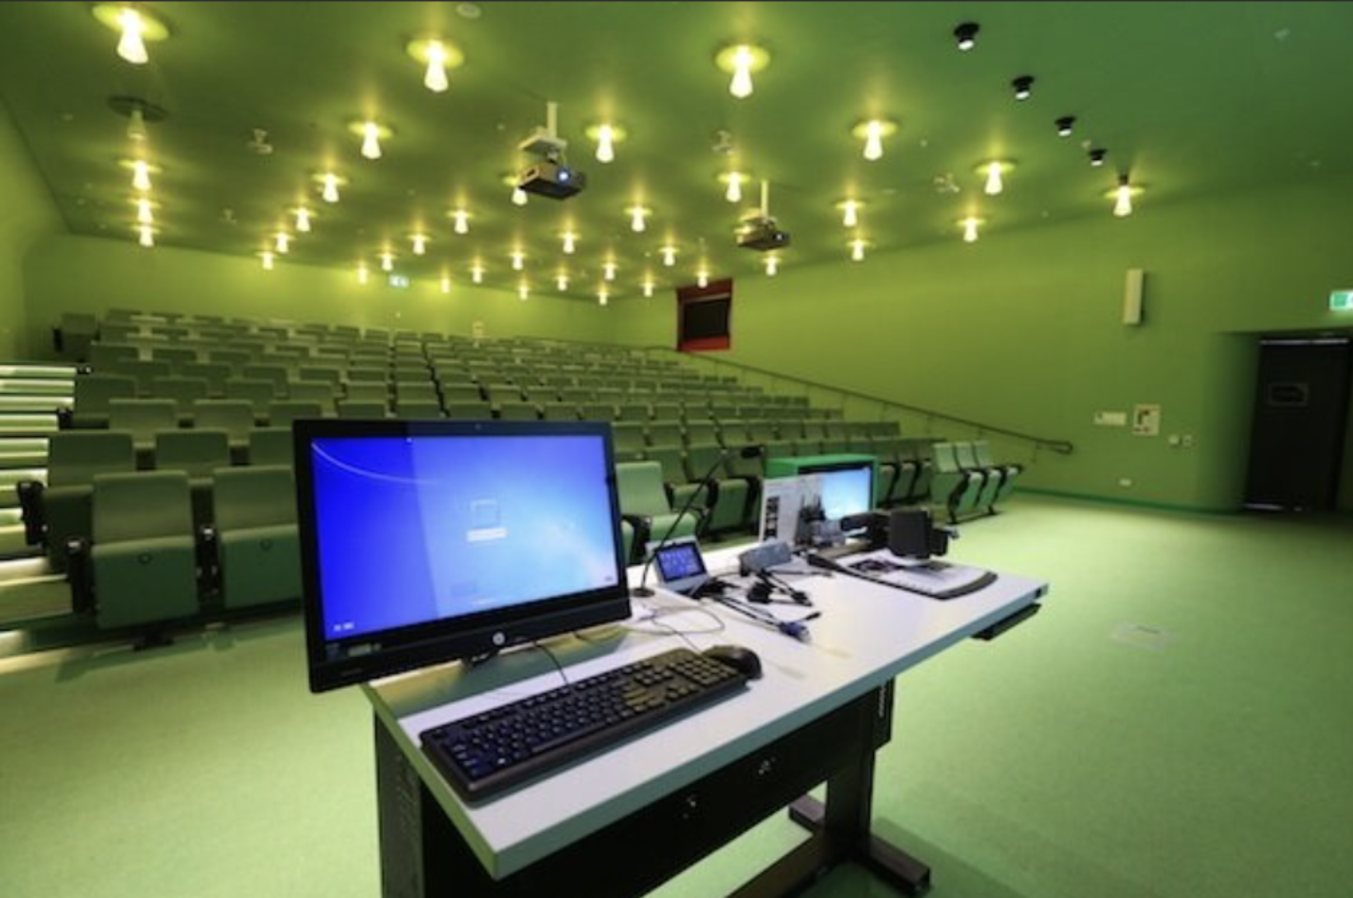

Sample of a collaborative class room

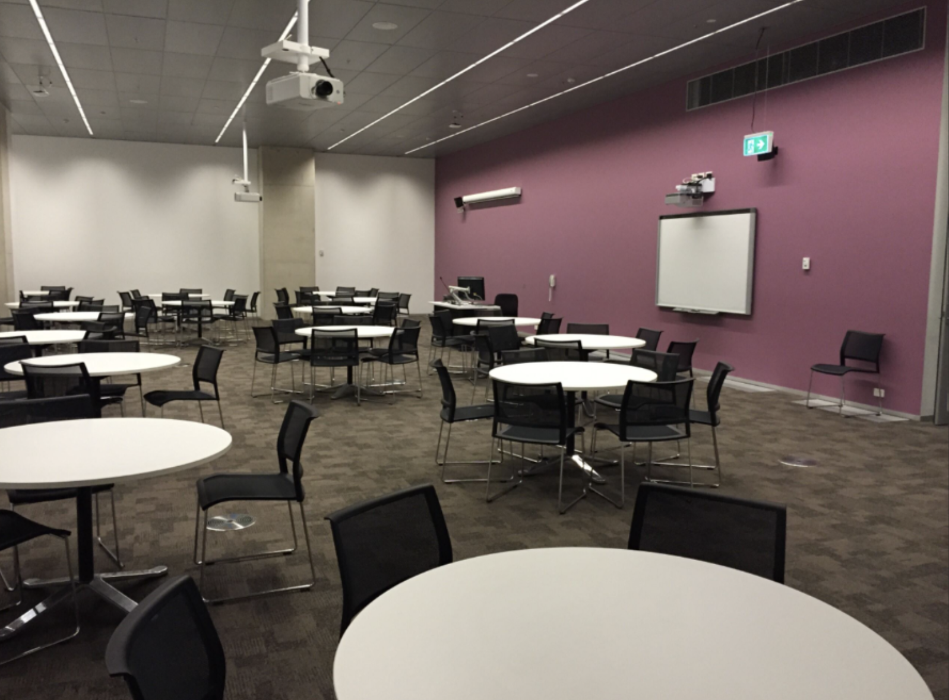

Sample of a collaborative lecture theatre

